TestSummary
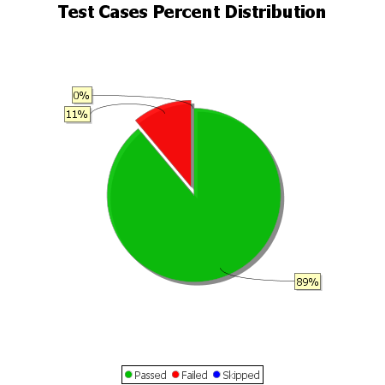
Total Test Cases | 9
Test Cases Passed | 8
Test Cases Failed | 1
Test Cases Skipped | 0

